1. Title Page
[Project Name]

Project Name: Instacart Grocery Basket Analysis
Date: October 2nd, 2023
Analyst Name: Zachary Chitwood

Contents:
Population Flow
Consistency checks
Wrangling steps
Column derivations
Visualizations
Recommendations

2. Population Flow
Title page

Population flow

Exclusion flag
Condition: max_order < 5
Obervations to be removed: 1,440,295
Final total count of order_products_all: 30,964,563

Orders_products_combined
Orders_products_merged
Orders_products_all

Total: 32,404,859
Total: 32,434,489
Total: 32,404,859

1.) The grey boxes in the first row of the population flow represent the original data sets as they were when you downloaded them. In the Total fields you need to add the count of the rows when you imported the data set into Jupyter.
2.) The second row of boxes (coloured) represents the data sets after you manipulated them, e.g., removed missing values and duplicates. In the Total fields you need to add the count of the rows after conducting these operations. This offers a visual oveview of how the data flows throughout the data consistency checks.
3.) The third row, where also the arrows are coloured, represents the merges you performed between the datasets. In the Total fields you need to add the count of the rows in the merged datasets, so that you end up with the final dataset (in the red box). Keep in mind the final dataset should be without exclusions (based on the exclusion flag).

3. Consistency checks
 |  |  |  |  | Title page
Consistency checks

 | Dataset | Missing values | Missing values treatment | Duplicates
 | orders | There are 206,209 missing values in the 'days_since_prior_order column. | NaN values indicated new orders. | no duplicates
 | products | 16 missing values. | missing values removed | 5 duplicates
 | orders_products_prior | no missing values | N/A | no duplicates
, | customers | 11,259 missing values | PII data is omited. | no duplicates

4. Wrangling steps
 |  |  |  | Title page
Wrangling steps

Columns dropped | Columns renamed | Columns' type changed | Comment/Reason
eval_set
first_name
surname
 | order_dow to 'order_day_of_week
 | order_hour_of_day to Hour_of_day
 |  | order_id | changed to string
 |  | user_id | changed to string

5. Column derivations
 |  |  |  | Title page

Column derivations and aggregations

In this tab you should add tables below that the frequences of flags/label variables that you produced after deriving them. NB: don't do this for continuous variables, only for flags.
Dataset | New column | Column/s it was derived from | Conditions
ords_prods_dept_merged.pkl | busiest_day | order_dow | Busiest days: order_dow = 0 Slowest days: order_dow = 4 Regularly days: order_dow = any other result
ords_prods_dept_merged.pkl | busiest_days | order_dow | Busiest days: order_dow = 0 or 1 Slowest days: order_dow = 4 or 3 Regularly days: order_dow = any other result
ords_prods_dept_merged.pkl | busiest_period_of_day | order_hour_of_day | Most Orders: order_hour_of_day = 10, 11, 14, 15, 13, 12, 16, 9 Fewest Orders: order_hour_of_day = 23, 6, 0, 1, 5, 2, 4, 3 Average Orders: order_hour_of_day = any other result
ords_prods_dept_merged.pkl | loyalty_flag | max_order | Loyal customer: max_order > 40 Regular customer: max_order > 10 and <= 40 New customer: max_order <=10
ords_prods_dept_merged.pkl | spending_flag | average_price | Low spender: spending_flag < 10 High spender: spending_flag >= 10
ords_prods_dept_merged.pkl | order_frequency_flag | median_prior_orders | Frequent customer: median_prior_orders <= 10 Regular customer: median_prior_orders > 10 and <= 20 Non-frequent customer: median_prior_orders > 20
ords_prods_dept_merged.pkl | region | State | Northeast: State = ['Maine', 'New Hampshire', 'Vermont', 'Massachusetts', 'Rhode Island', 'Connecticut', 'New York', 'Pennsylvania', 'New Jersey'] Midwest: State = ['Wisconsin', 'Michigan', 'Illinois', 'Indiana', 'Ohio', 'North Dakota', 'South Dakota', 'Nebraska', 'Kansas', 'Minnesota', 'Iowa', 'Missouri'] South: State = ['Delaware', 'Maryland', 'District of Columbia', 'Virginia', 'West Virginia', 'North Carolina', 'South Carolina', 'Georgia', 'Florida', 'Kentucky', 'Tennessee', 'Mississippi', 'Alabama', 'Oklahoma', 'Texas', 'Arkansas', 'Louisiana'] West: State = ['Idaho', 'Montana', 'Wyoming', 'Nevada', 'Utah', 'Colorado', 'Arizona', 'New Mexico', 'Alaska', 'Washington', 'Oregon', 'California', 'Hawaii']
ords_prods_dept_merged.pkl | customer_activity | max_order | low activity: max_order < 5 high activity: max_order >= 5
ords_prods_dept_merged.pkl | age_group | Age | 18-29: Age <= 29 30-39: Age > 29 and < 40 40-49: Age > 39 and < 50 50-59: Age > 49 and < 60 60-69: Age > 59 and < 70 70 and over: Age > 69
ords_prods_dept_merged.pkl | income_group | income | Lower: income <= 75000 Middle: income > 75000 and <= 120000 Upper: income > 120000
ords_prods_dept_merged.pkl | customer_profile | depandents | Single adult: depandents = 0 Young parent: dependants > 0 Family: dependents <= 2 Big Family: dependents > 2

6. Visualizations
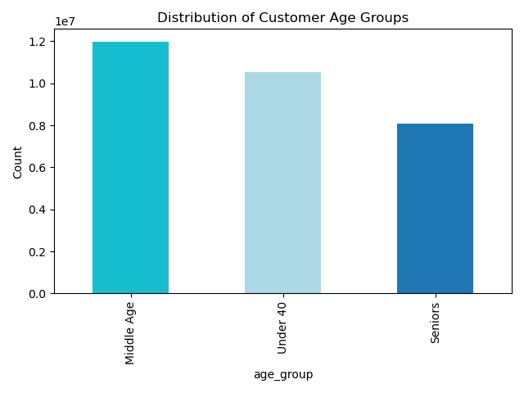
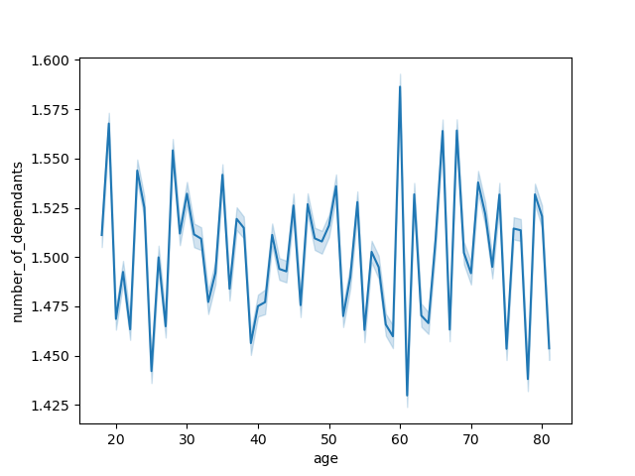
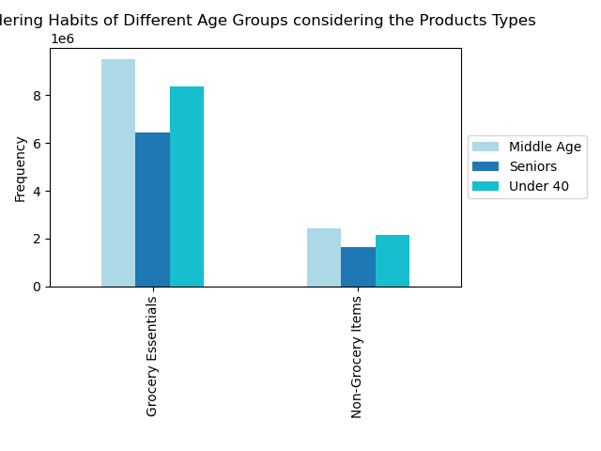
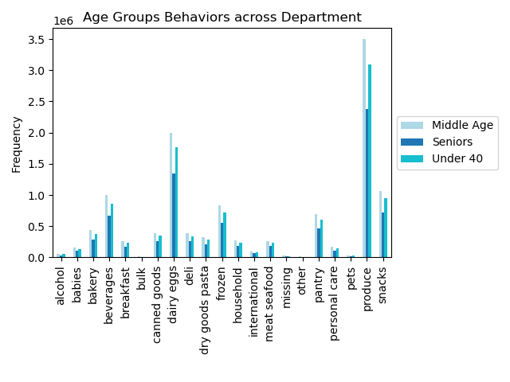
 |  |  | Title page

Visualisations

In this tab you should include all the visualtions from Exercises 4.9 and 4.10, alongside the questions from the project brief that they answer. Include any commentary on the relationship between different variables.

Question 1: The sales team needs to know what the busiest days of the week and hours of the day are (i.e., the days and times with the most orders) in order to schedule ads at times when there are fewer orders.


 | This histogram displays relationship between hour of the day and number of orders. We see a peak at 10am then it slows down around 4pm.

Question 2: The sales team wants to know whether there are particular times of the day when people spend the most money, as this might inform the type of products they advertise at these times
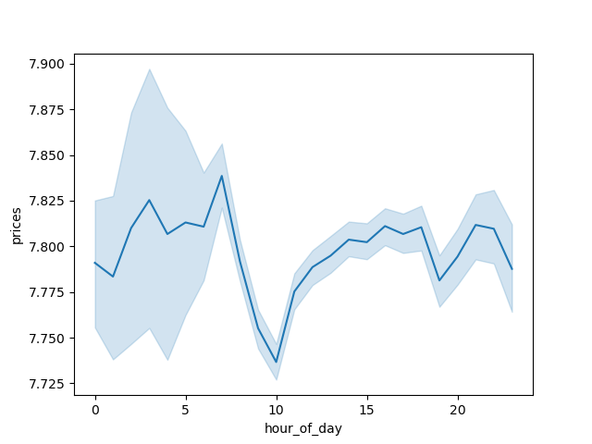

Question 3: Instacart has a lot of products with different price tags. Marketing and sales want to use simpler price range groupings to help direct their efforts

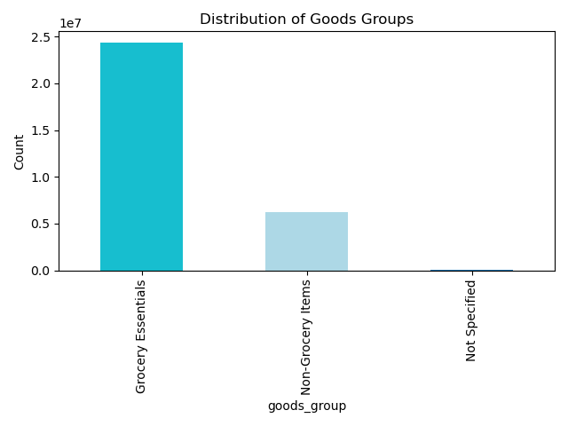

Question 4: Are there certain types of products that are more popular than others? The marketing and sales teams want to know which departments have the highest frequency of product orders
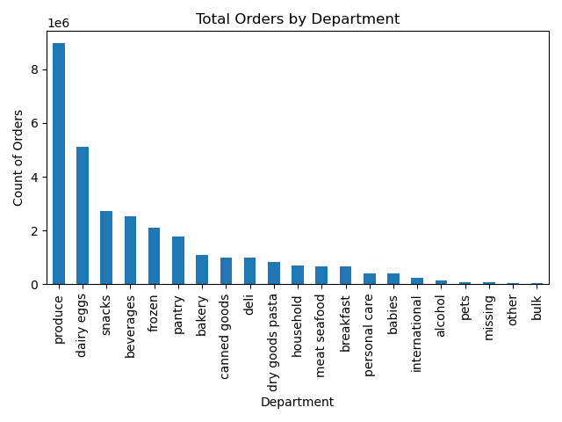

Produce and dairy eggs are the most popular departments.

Question 5: The marketing and sales teams are particularly interested in the different types of customers in their system and how their ordering behaviors differ.

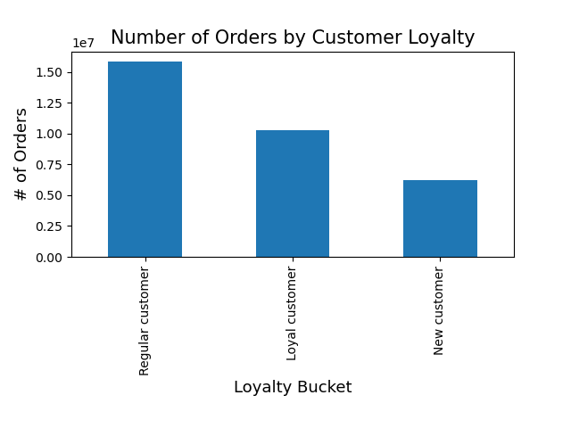

regular customers have the most orders compared to loyal customers.

Question 5.2. Are there differences in ordering habits based on a customer’s region?

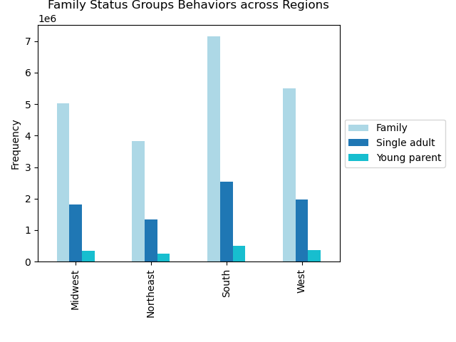

Families order the most across all regions. With single adults coming in second and young parents in last.

Question 6. Is there a connection between age and family status in terms of ordering habits?

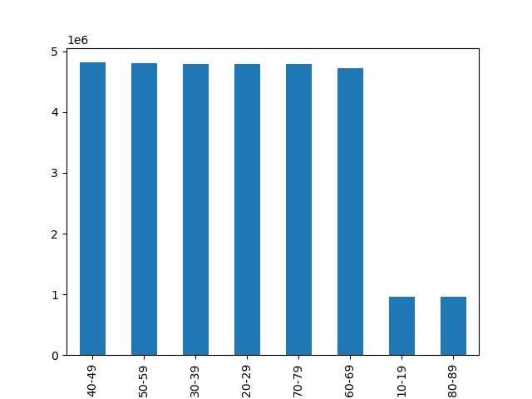
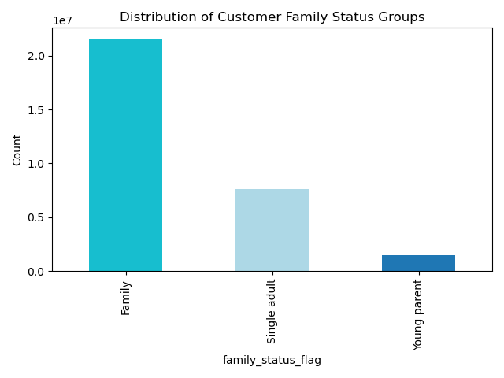

The age groups with the most orders are: |  | Families account for the most orders
18- 29
- 70 and over

Question 7. What different classifications does the demographic information suggest? Age? Income? Certain types of goods? Family status?

7. Recommendations
 | Title page

Recommendations

In this tab you should include any recommendations you would made to Instcart in terms of their marketing strategy based on the questions posed in the brief. Every key question has been covered in the Tasks of the Exercises - here you need to add an item - a visualisation or table/crosstable that is showing the answer in the data, acompanied by a comment from you. Please, list the questions below and add the answer underneath.

Question
Question 1: The sales team needs to know what the busiest days of the week and hours of the day are (i.e., the days and times with the most orders) in order to schedule ads at times when there are fewer orders.
Have promotional events during slow hours like having a certain percentage off or a discount/free shipping.
Question 2: The sales team wants to know whether there are particular times of the day when people spend the most money, as this might inform the type of products they advertise at these times
Run advertisements and promotions that target times where people are spending more. In this case 5AM to 10PM.
Question 3: Instacart has a lot of products with different price tags. Marketing and sales want to use simpler price range groupings to help direct their efforts
Most products fall under $2-$15 so promote and incentivize products in this range.
Question 4: Are there certain types of products that are more popular than others? The marketing and sales teams want to know which departments have the highest frequency of product orders
Have promotions on items related to produce and dairy eggs. Include getting rid of a delivery fee over a certain value to entice people to purchase more.
Question 5: The marketing and sales teams are particularly interested in the different types of customers in their system and how their ordering behaviors differ.
Develop a loyalty program that rewards regular and loyal customers. Have surveys and collect feedback to improve customer behavior.
Question 6. Is there a connection between age and family status in terms of ordering habits?
Run promotions for young parents and customers in certain age groups or even birthday campaigns/ birthday month events.
Question 7. What different classifications does the demographic information suggest? Age? Income? Certain types of goods? Family status?
Promotions for lower income customers. Age can be answered with #6. Young parents have an even distribution across departments. Ie baby products for young parents.

